QN 11 ans
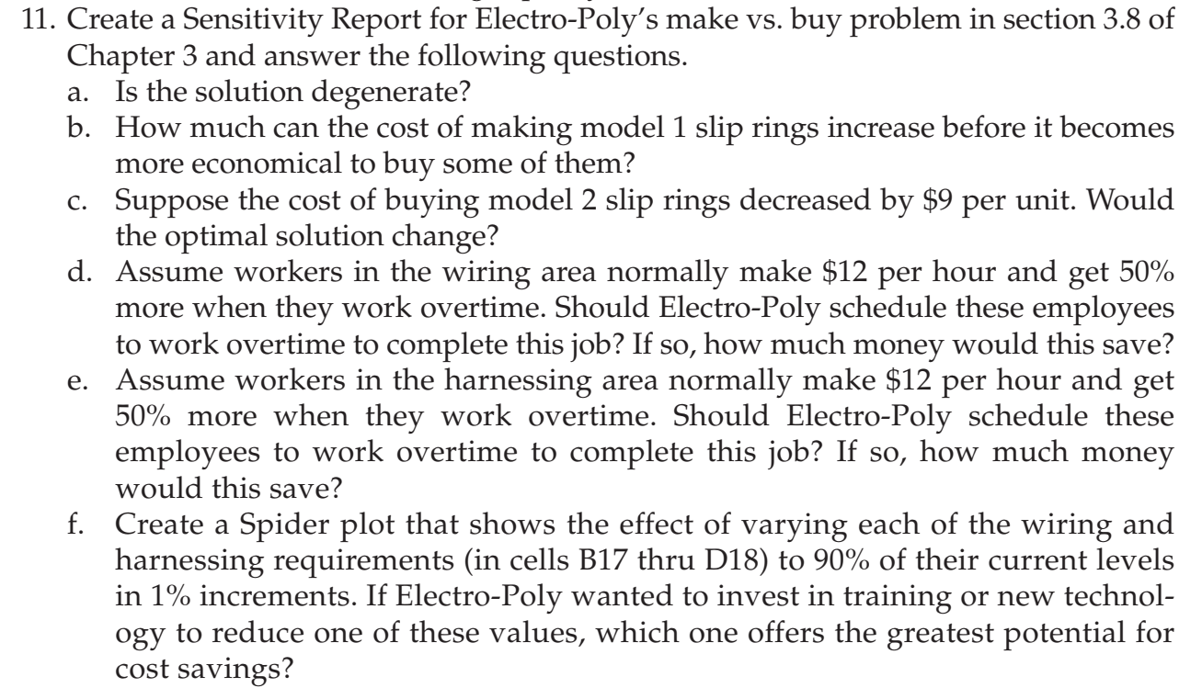
Number to | Model 1 | Model 2 | Model 3
Make | 3000 | 550 | 900
Buy | 0 | 1450 | 0

Cost to
Make | $50 | $83 | $130 | Total Cost
Buy | $61 | $97 | $145 | $453,300.00

Available | 3000 | 2000 | 900
Needed | 3000 | 2000 | 900

Hours required |  |  |  | Used | Available
Wiring | 2 | 1.5 | 3 | 9525 | 10000
Harnessing | 1 | 2 | 1 | 5000 | 5000

a) | No, the solution is not degenerate. None of the values in the allowable increase or decrease coluumn of the constraints in sensitivity report are zero.

b) | The cost of making model 1 slip rings can increase by $4 before it becomes more economical to buy some of them.

c) | Yes the optimal solution will change if the cost of buying the model 2 slip rings is decreased by $9 per unit as the allowable decrease to Buy Model 2 slip rings is $8. |  |  |  |  |  |  | How to do f ?

d) | There is still working hours available for wiring. Therefore, working overtime to complete will only increase the available hours as no more than 9525 hours can be used. So, this won't save any money but might increase the cost if the overtime is included in the schedule from the beginning.

 |  |  |  |  |  | f) | $453,300.00 | 10000 | 5000

e) | Yes, Electro-Poly should schedule these employees to work overtime to complete this job. The addition of each hour will reduce the cost by $7 as shown in the shadow price. The allowable increase of hours is 633.33. The additional cost of overtime is $6 . So the money saved would be 633.33*(7-6)=$633.33 .

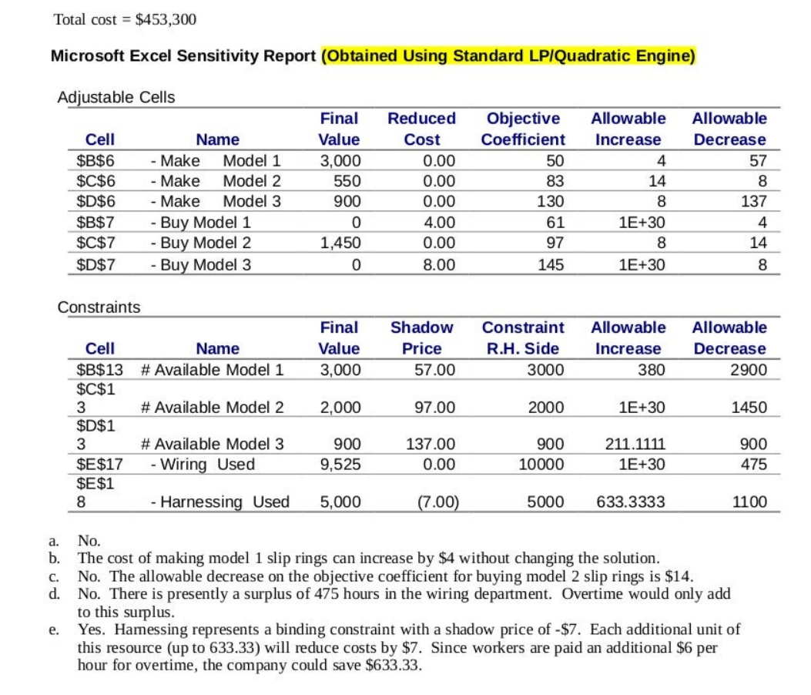

 |  |  |  |  |  |  |  |  |  | Nirmal Prasad Panta

